Please Read Before Viewing
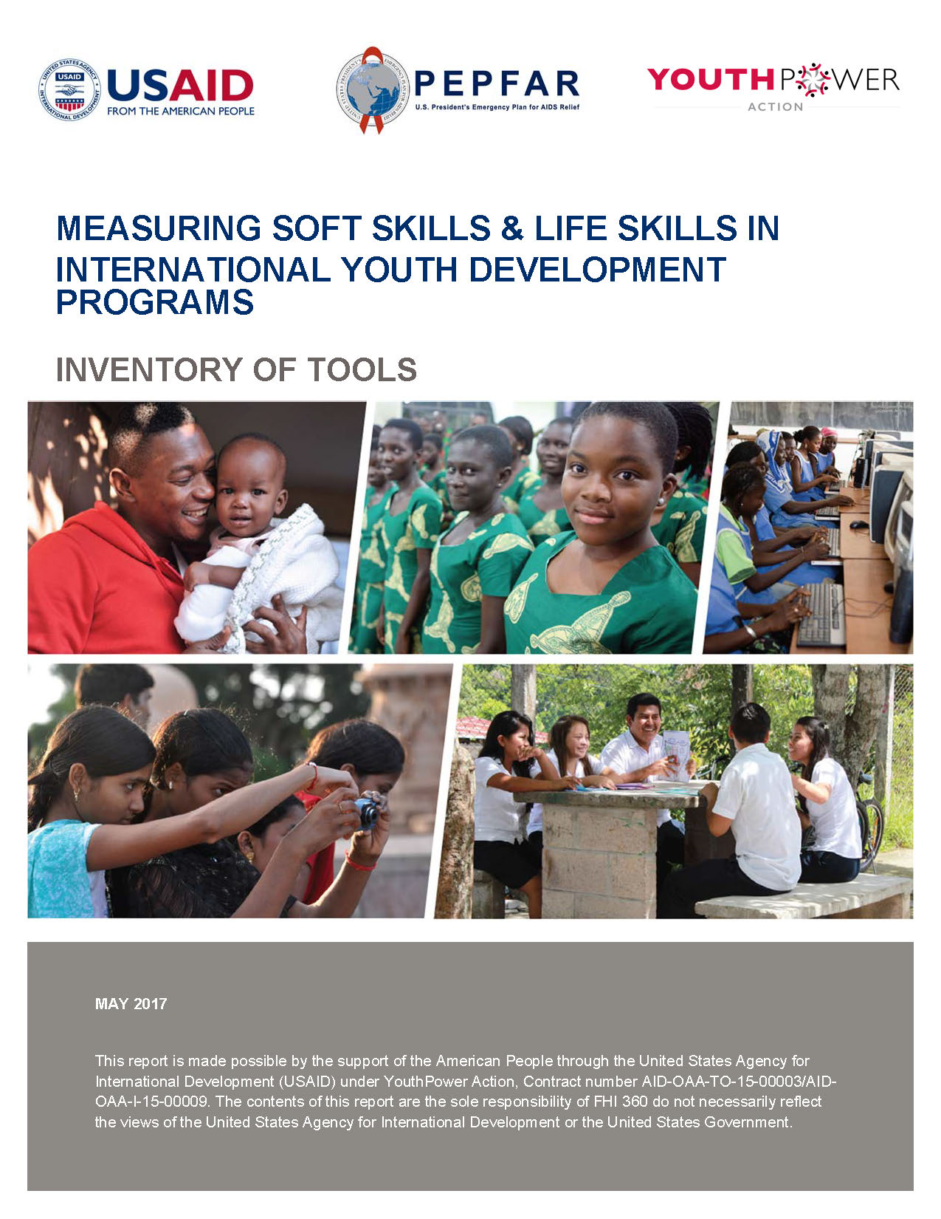

This publication was produced for review by the United States Agency for International Development. It was prepared by FHI 360. Recommended format for citation: Galloway, T, Lippman, L., Burke, H., Diener, O., and Gates, S. (2017). Measuring Soft Skills in International Youth Development Programs: A Review and Inventory of Tools, Washington, DC: USAID’s YouthPower: Implementation, YouthPower The author’s views expressed in this publication do not necessarily reflect the views of the United States Agency for International Development or the United States Government. This report is made possible by the support of the American People through the United States Agency for International Development (USAID) under task order contract number AID- OAA-TO-15-00003, YouthPower Action under IDIQ contract number AID-OAA-I-15-00009, YouthPower: Implementation.

The full report can be downloaded here at www.YouthPower.org

